Sheet1
 |  | Mix 3217
Ean No. | Brand | Description |  | Size | Gender | QTY | Price | Your Price | Retail Price
8028713828126 | Acqua Di Parma | Colonia Pura | Edc sp | 50 ml | Unisex | 1000 | CHF 32.90 |  | CHF 125.00
3351500020362 | Azzaro | Chrome | Edt sp | 30 ml | Men | 1800 | CHF 15.30 | (100 ml at 47.90chf) |  | 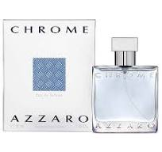
88300156009 | Calvin Klein | Eternity Moment | Edp sp | 30 ml | Women | 4000 | CHF 13.50
3414202000565 | Davidoff | Cool Water Men | Edt sp | 75 ml | Man | 3000 | CHF 14.80 | CHF 29.90 | CHF 94.90
3614220080499 | Davidoff | Horizon | Edt sp | 100 ml | Men | 3800 | CHF 15.00 |  | CHF 75.90
3616305439383 | Davidoff | Cool Water Reborn | Edt sp | 40 ml | Men | 4000 | CHF 12.10 |  |  | 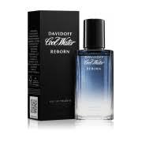
3423470311365 | Issey Miyake | L'eau D'issey Pour Homme | Edt sp | 125 ml | Men | 2000 | CHF 25.70 | CHF 49.90 | CHF 140.00
8435415017190 | Jean Paul Gaultier | Le Beau | Edt sp | 75 ml | Men | 1500 | CHF 37.50 |  | CHF 116.00
8435415017206 | Jean Paul Gaultier | Le Beau | Edt sp | 125 ml | Men | 1800 | CHF 54.50 |  | CHF 159.00 | 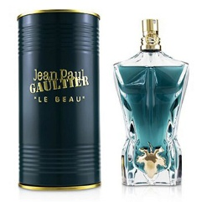
3414201002683 | Jil Sander | Sun women | Edt sp | 75 ml | Women | 2400 | CHF 14.30 | CHF 25.90 | CHF 79.90 | 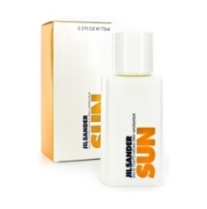
3414200802192 | Jil Sander | Sun Men | Edt sp | 75 ml | Men | 2400 | CHF 14.30 | CHF 29.90 | CHF 72.90 | 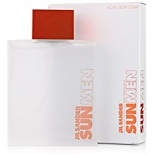
3439600604511 | Mugler | A- Men | Edt sp Refil. | 100 ml | Men | 2400 | CHF 35.80 |  |  | 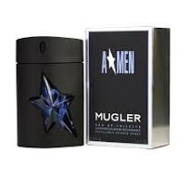
3360372055402 | Ralph Lauren | Polo Sport | Edt sp | 125 ml | Men | 1900 | CHF 18.40 |  | CHF 99.00
8018365270756 | Versace | Red Jeans | Edt sp | 75 ml | Women | 2000 | CHF 13.20 | CHF 24.90 | CHF 47.95 | 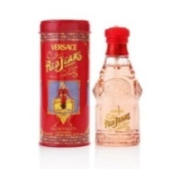
8018365260757 | Versace | Blue Jeans | Edt sp | 75 ml | Men | 4000 | CHF 13.20 | CHF 24.90 | CHF 39.95

